Аркуш1
Рівень | Завдання
Beet Seed | 1. Протестуй сайт https://lms.beetroot.academy/, знайшовши 3 баги; запиши їх в Google docs. | Bug Number/id | BR01
 |  | Date | 2024-05-28
 |  | Author | Petrenko Victoriia
 |  | Status | New
 |  | Summary | Throughout the LMS cabinet, e.g. https://lms.beetroot.academy/profile , or lessons, e.g. https://lms.beetroot.academy/studying/clukwjzlfpiay0813u2sk1pz6/theory/cluqxvu2xj6ov0813fh8n0ru4 the "Notifications" window doesn`t close after clicking on empty space.

 |  |  | Users typically expect that clicking on an empty space will close open window, as a standard behavior of system. The violation of the expected user experience can lead to confusion and frustration.

 |  | Severity | Minor
 |  | Priority | Medium
 |  | Preconditions | User is logged-in and has permission to access LMS cabinet.
 |  | Steps To Reproduce | 1. Go to https://lms.beetroot.academy/studying/clukwjzlfpiay0813u2sk1pz6/theory/cluqxvu2xj6ov0813fh8n0ru4.
 |  |  | 2. Click on "Notifications" button.
 |  |  | 3. Click on empty space.
 |  | Actual result | The "Notifications" window doesn`t close after clicking on empty space.
 |  | Expected result | Clicking on an empty space will close open window.
 |  | Environment | Windows 11, Chrome 125.0.6422.112
 |  | Attachment | https://youtu.be/F_X3m8KIY78 video demo

 |  | Bug Number/id | BR02
 |  | Date | 2024-05-28
 |  | Author | Petrenko Victoriia
 |  | Status | New
 |  | Summary | In the mobile version of the LMS, e.g. https://lms.beetroot.academy/studying/clukwjzlfpiay0813u2sk1pz6/theory/cluqxvu2aj6o20813u1lflkrw , after opening the "Calendar", the "Close" (X) button is displayed incorrectly. It is partially out of the visible area and is difficult to interact with.

 |  | Severity | Major
 |  | Priority | High
 |  | Preconditions | User is logged-in and has permission to access LMS cabinet.
 |  | Steps To Reproduce | 1. Go to https://lms.beetroot.academy/studying/clukwjzlfpiay0813u2sk1pz6/theory/cluqxvu2aj6o20813u1lflkrw , using Mobile Chrome.

 |  |  | 2. Click on the "Calendar" button.
 |  |  | 3. Pay attention to the displaying of the "Close" (X) button.
 |  | Actual result | After opening the "Calendar", the "Close" (X) button is displayed incorrectly, partially out of the visible area.
 |  | Expected result | The "Close" (X) button should be fully visible and correctly displayed, allowing the user to easily close the "Calendar" by tapping on it.

 |  | Environment | Android 11, Chrome Mobile 125.0.6422.112
 |  | Attachment | 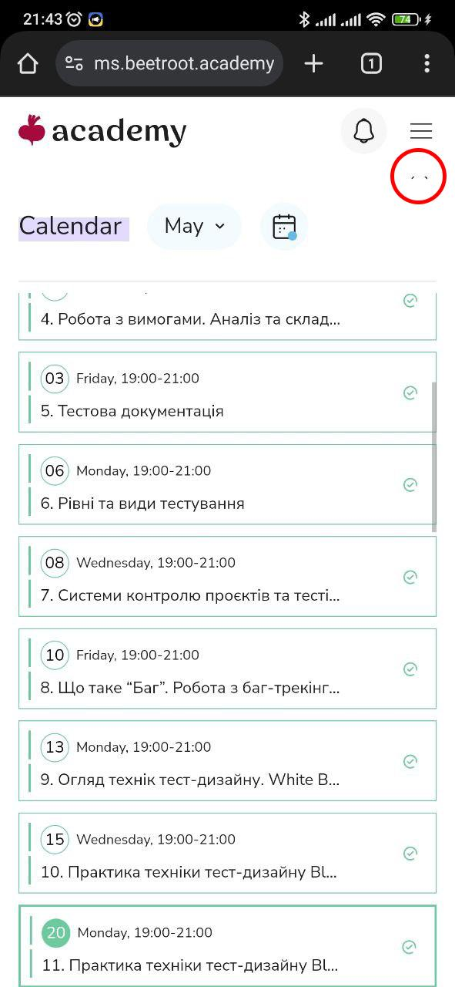

 |  | Bug Number/id | BR03
 |  | Date | 2024-05-28
 |  | Author | Petrenko Victoriia
 |  | Status | New
 |  | Summary | In the mobile version of the LMS, e.g. https://lms.beetroot.academy/studying/clukwjzlfpiay0813u2sk1pz6/theory/cluqxvu2aj6o20813u1lflkrw , in the "Notifications" page, after tapping on empty space at the top of the page, an unexpected square click field is displayed (the "Notifications" button is located there in other pages of LMS). This may confuse users.

 |  | Severity | Minor
 |  | Priority | Medium
 |  | Preconditions | User is logged-in and has permission to access LMS cabinet.
 |  | Steps To Reproduce | 1. Go to https://lms.beetroot.academy/studying/clukwjzlfpiay0813u2sk1pz6/theory/cluqxvu2aj6o20813u1lflkrw using Mobile Chrome

 |  |  | 2. Click on the "Notifications" button.
 |  |  | 3. Tap on empty space at the top of the page.
 |  | Actual result | On the "Notifications" page, after tapping on empty space at the top of the page, an unexpected square click field is displayed.

 |  | Expected result | On the "Notifications" page, after tapping on empty space at the top of the page, system should not react or display anything.

 |  | Environment | Android 11, Chrome Mobile 125.0.6422.112
 |  | Attachment | https://www.youtube.com/shorts/zxXYFGg2JL8 video demo

 | 2. Створи єдиний HTML-документ з підключенням в ньому стилів трьома різними способами: | HTML Waffles.zip
 |  | Я працювала у Visual Studio Code, а також на www.w3schools тренажері до етапу зовнішньої таблиці стилів. Там зручно візуалізувати зміни.

 |  | 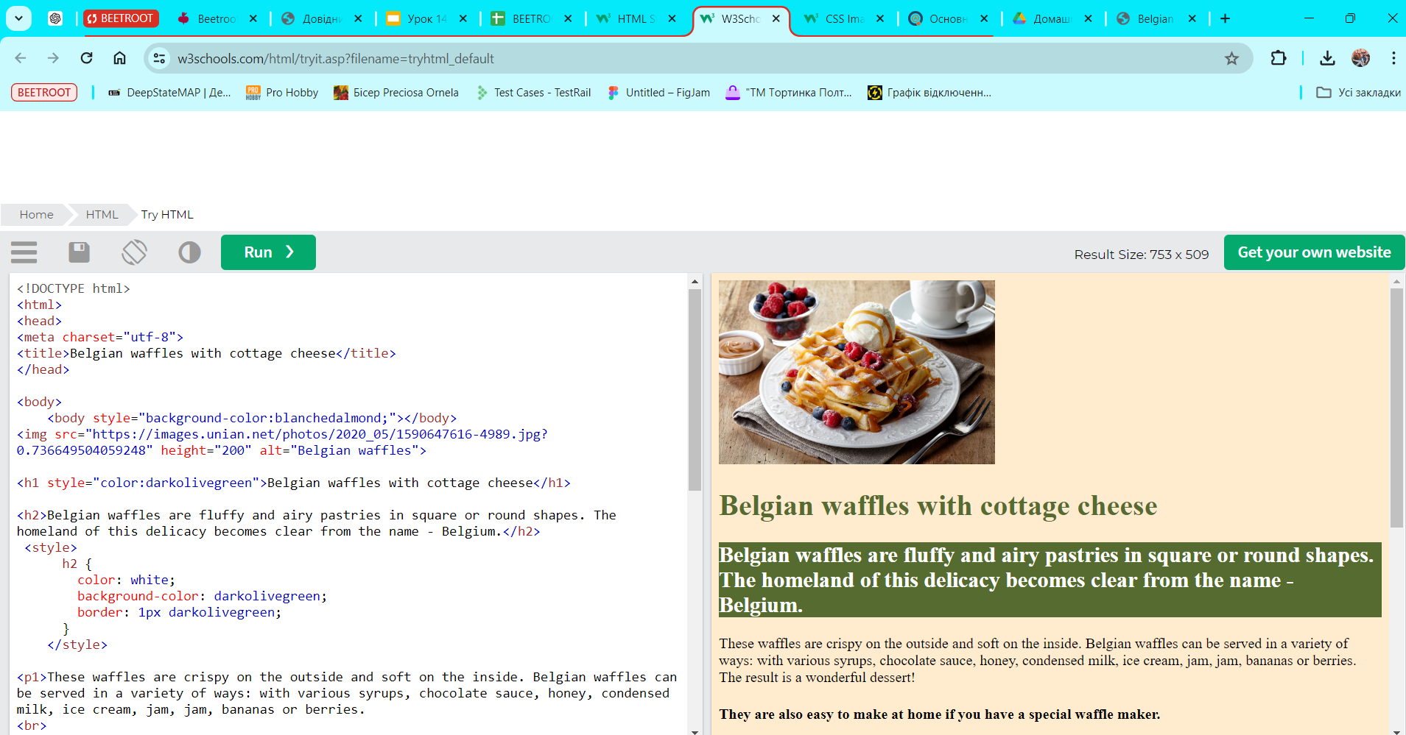

 | В середині специфічного тегу (inline)

 | В розділі “HEAD”
 | У зовнішньому .css файлі

 | 3. Перевір відображення створеного документа в різних браузерах. | Я порівнювала Chrome та Edge, різниці не виявила.

 | 3.1. Коротко опиши різницю у відображенні елементів.

Beet Sprout | За допомогою Developer Tools визнач кодування символів, використаних на таких вебсторінках: | https://beetroot.academy/ utf-8
 |  | 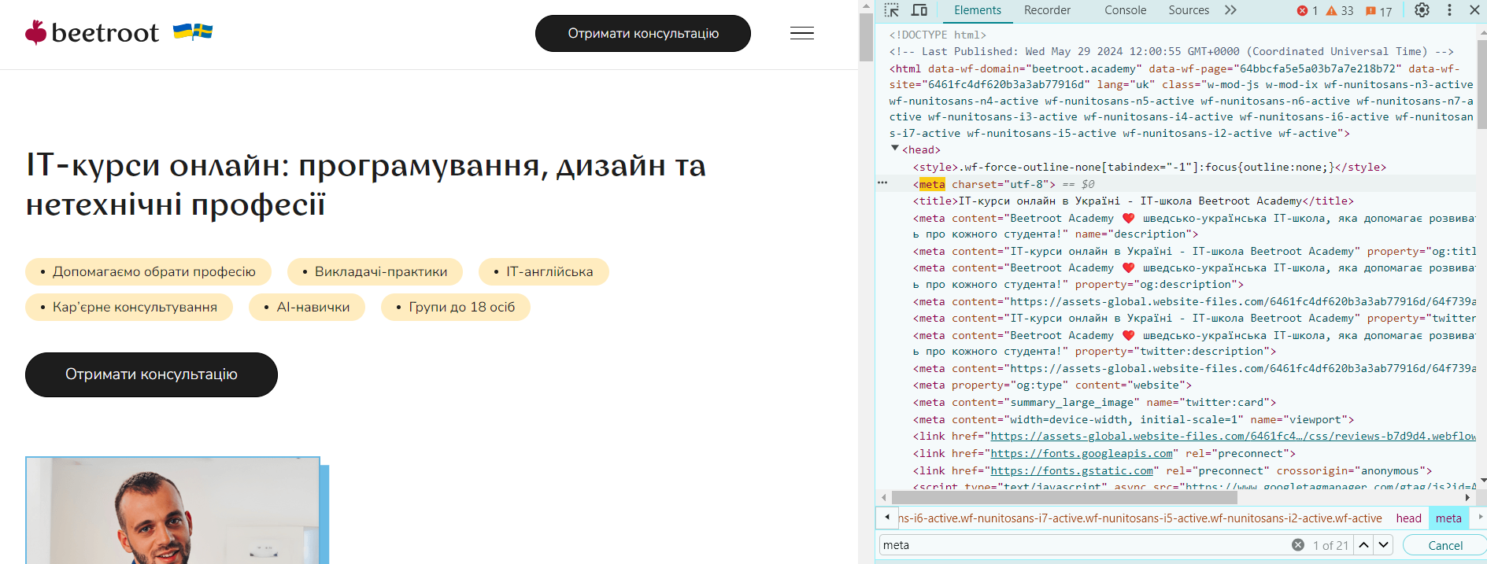

 | https://beetroot.academy
 | https://microseniors76.com/
 | https://www.tennis-warehouse.com/

 | https://www.fidelity.com/

 |  | https://microseniors76.com/ | iso-8859-1

 |  | https://www.tennis-warehouse.com/ |  | macintosh | (Macintosh Latin) | utf-8
 |  | 

 |  | 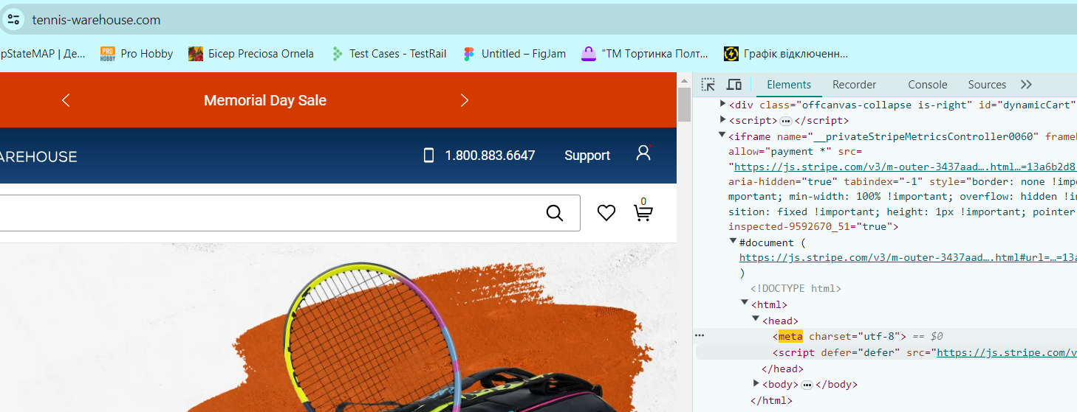

 |  | https://www.fidelity.com/ | utf-8
 |  | 